Description
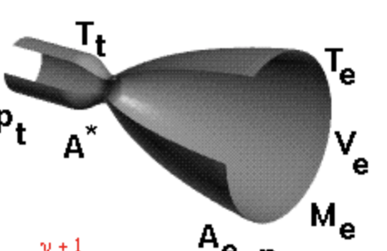
Nozzle
 |  | Description | Calculations

Gas Constant (R) | M = Gas Molecular Weight (Combustion of gaseous/hydrocarbon fuel) = 24 |  | 65
 | Universal Gas Constant (R_bar) = 1545.32 ft-lb/lb(deg)
 | R = R_bar / M
 | R = 1545.32 / 24 = 64.28 ft-lb

Gamma (Ratio of Specific Heats) | Gamma = 1.2 |  | 1.2

Eaths Gravitation (Gc) | 32.2 ft/sec^2 |  | 32.2

Nozzle Throat Gas Temperature (t)

Propellant Flow Rate | Thrust / Impulse

Fuel Flow Rate | (Propellant Flow Rate / Mixture Ratio) + 1

Oxidizer Flow Rate | Propellant Flow Rate - Fuel Flow Rate

Chamber Temperature

Throat Temperature

Throat Pressure

Throat Diameter

